About
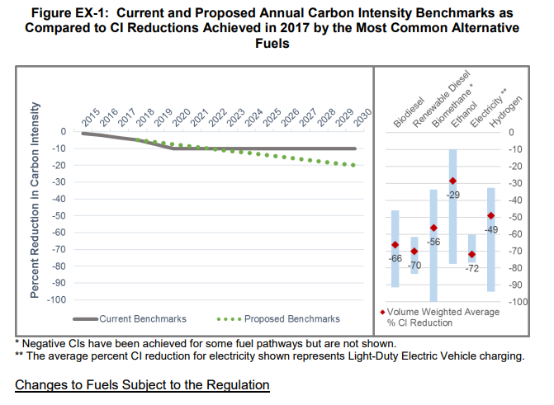
BLP BAU LCFS Percentage

Source: | California Air Resource Board
 | STAFF REPORT: INITIAL STATEMENT OF REASONS
 | https://www.arb.ca.gov/regact/2018/lcfs18/isor.pdf
 | "The amendments also propose smoothing the near-term benchmark schedule by linearly reducing by 1.25 percent annually from a 5 percent reduction in 2018 to the 20 percent value in 2030."
 | Adopted amendments to regulatory schedule.

Notes | 2030 is the current limit of the regulatory schedule. Later values are held constant at the 2030 level.

 | Annual increment on path to 2030 | 0.0125
 | 2018 historical level | 0.035

